Profile
 | Multi Asset Portfolio

# | Investor Profile
 | Total Corpus | : 10 Cr
 | Investor Age | : 52 Years
 | Expected Monthly Cashflow | : 3 Lakhs
 | Investment Duration | : 5 Years and 10 Years

The aim of the portfolio is to balance risk tolerance, desired income, and the overall investment horizon, with a conservative approach to ensure capital preservation and steady income.
# | Portfolio Objective:

# | Investment Approach:
The approach involves creating a conservative investment strategy focusing on capital preservation and steady returns. The portfolio will primarily consist of high-quality fixed-income instruments, such as government and corporate bonds, to generate the targeted monthly coupon of ₹3 lakh. A smaller portion will be allocated to low-risk, dividend-paying equities and conservative hybrid funds, gold etf for potential growth and inflation protection. Regular portfolio reviews and rebalancing will ensure alignment with investment goals, with a clear plan for liquidity and redemption at the end of the 5Y and 10Y horizon.

# | Portfolio Allocation

 | Equity | 47.10%
 | Debt | 46.90%
 | Cash | 1%
 | Gold | 5%

Asset Classes Return
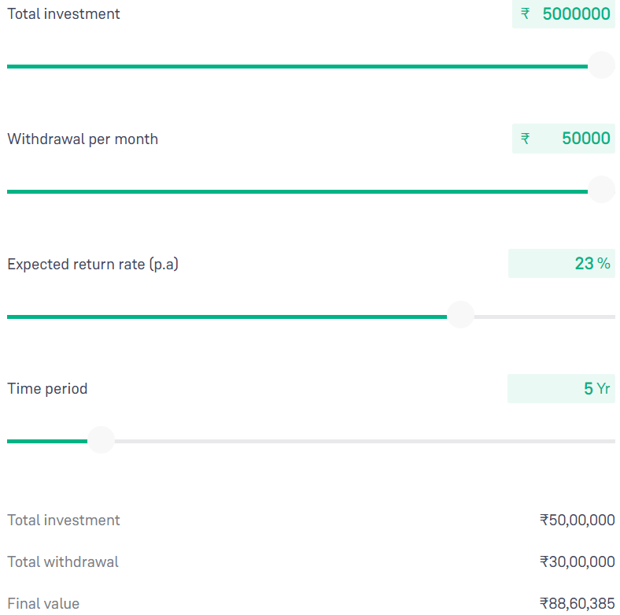
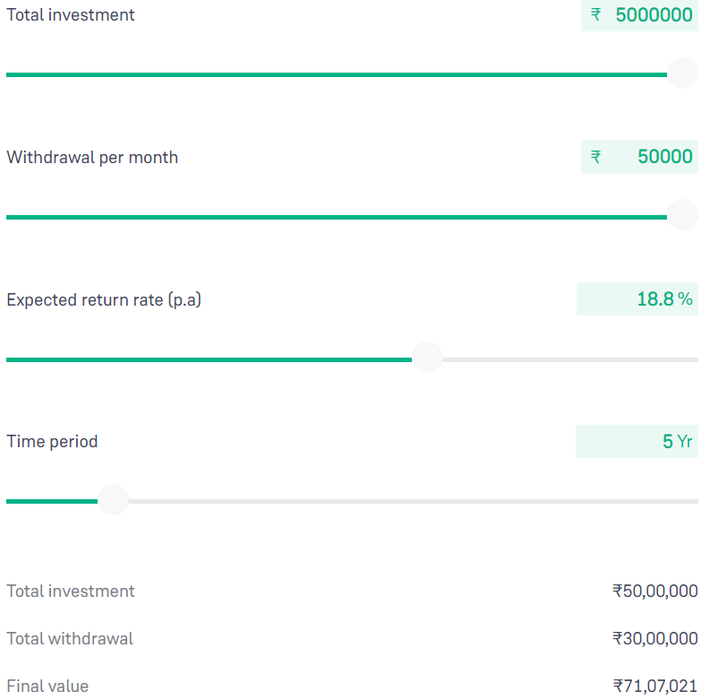
# | Government Bonds
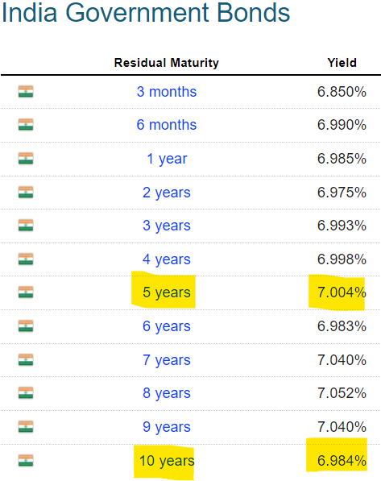

# | Corporate Bonds
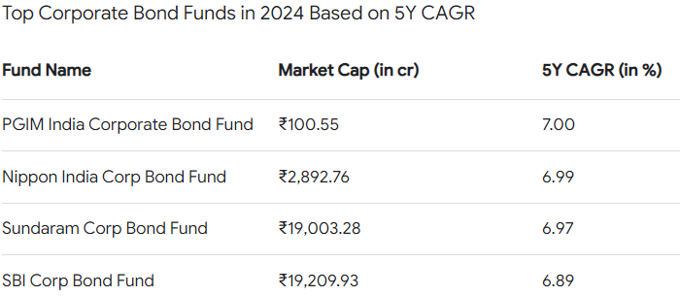

# | Tax Free Bonds

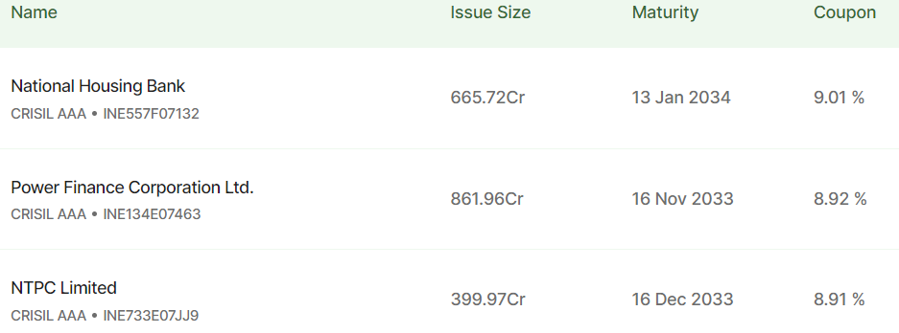

# | Gold ETF
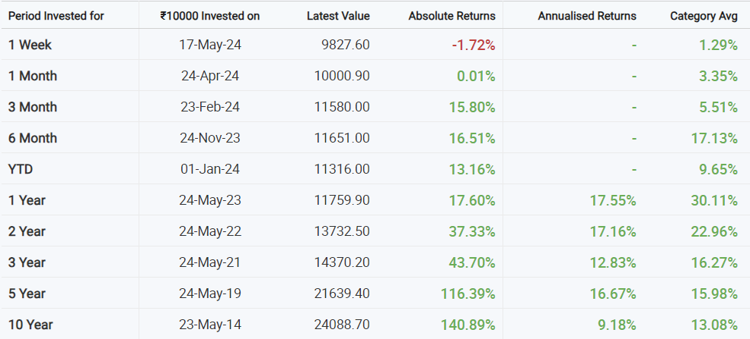

 |  | SD 5Y | 2
 |  | SD 10Y | 4

# | High Dividend Yield

 | Stocks | 1Y | 3Y | 5Y | 10Y | Dividend Yield
 | ITC | -5% | 108% | 57% | -3.50% | 3.19
 | ONGC | 75% | 170% | 61% | 29% | 4.08
 | Infosys | 15% | -0.46% | 97% | 274% | 2.55
 | HUL | -8% | 5% | 40% | 293% | 1.69
 |  | 19% | 71% | 64% | 148% | 2.88

 |  | Avg 5Y | 22.75 |  | Avg 10 Y | 16.21
 |  | StDev 5Y | 28% |  | StDev 10Y | 53%

# | Equity Funds

 |  |  |  |  |  |  |  |  |  |  |  |  |  | Return 5Y | 23.4
 |  |  |  |  |  |  |  |  |  |  |  |  |  | Return 10Y | 18

 |  |  |  |  |  |  |  |  |  |  |  |  |  | StDev 5Y | 13.81
 |  |  |  |  |  |  |  |  |  |  |  |  |  | StDev 10Y | 14.07

 |  |  |  |  |  |  |  |  | 54.14 | 34.29 | 26.57 | 23.40 | 18.00

# | Balanced Funds
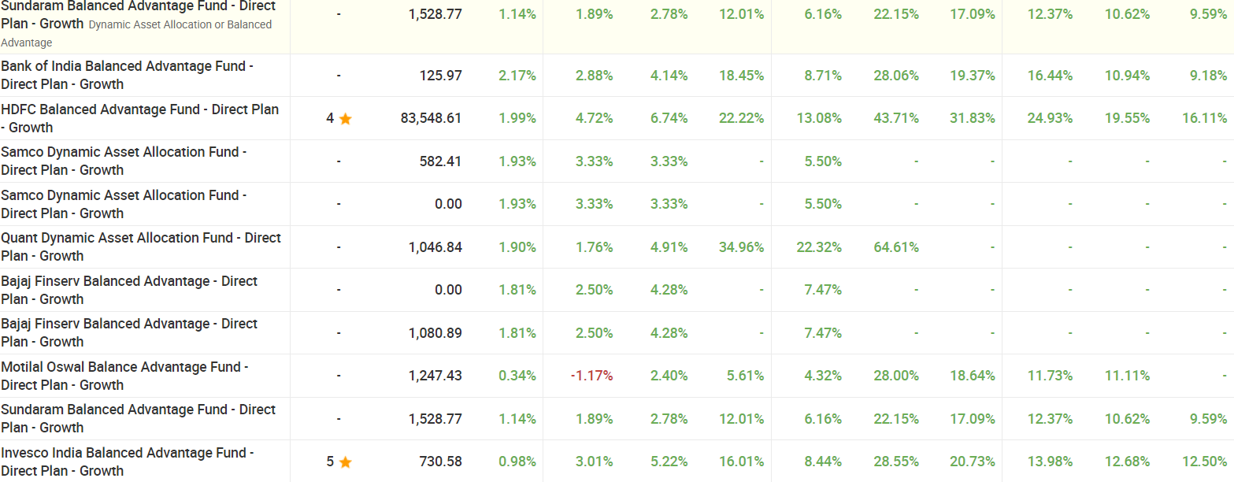

 |  |  |  |  |  |  |  |  |  |  |  | Return 5Y | 12.75
 |  |  |  |  |  |  |  |  |  |  |  | Return 10Y | 11.34

 |  |  |  |  |  |  |  |  |  |  |  | STDev 5Y | 9.50
 |  |  |  |  |  |  |  |  |  |  |  | STDev 10Y | 9.23

 |  |  |  |  |  |  | 1Y | 2Y | 3Y | 5Y | 10Y
 |  |  |  |  |  |  | 34 | 21 | 15.17 | 12.75 | 11.34

# | SWP Fund

 |  |  |  |  |  |  |  |  |  |  |  | Return 5Y | 23.29
 |  |  |  |  |  |  |  |  |  |  |  | Return 10Y | 18.8

 |  |  |  |  |  |  |  |  |  |  |  | STDev 5Y | 10.66
 |  |  |  |  |  |  |  |  |  |  |  | STDev 10Y | 10.95

 |  |  |  |  |  |  | 46.3 | 33.86 | 24.43 | 23.29 | 18.8

